WACC2025 registration
 | Registration Form
 | World Cadet & Youth Rapid and Blitz Chess Championships 2026 |  |  |  |  |  |  |  |  | 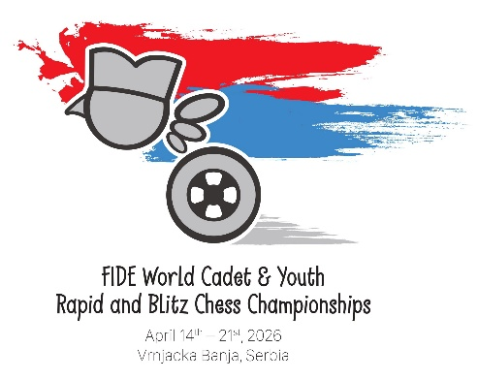
 | April 14th – 21st, Vrnjacka Banja, Serbia

 | Federation: |  |  | Contact Person:
 | Official: |  |  | Telephone:
 |  |  |  | Mail:

 |  | PLAYERS

No. | FIDE ID | FED | Surname | First name | Birth date | Group | Hotel | Room type | Roommate | Arrival |  |  |  | Departure |  |  |  | Transfer | VISA | Tournaments
 |  |  |  |  |  |  |  |  |  | Date | To City | Time | Flight Nō | Date | From City | Time | Flight Nō | Need Yes/No | Need Yes/No | R+B, R only or B only
1
2
3
4
5
6
7
8
9
10

 |  | Accompanying persons

 |  | No. | Surname | First name | Birth date |  | Hotel | Room type | Roommate | Arrival |  |  |  | Departure |  |  |  | Transfer | VISA
 |  |  |  |  |  |  |  |  |  | Date | To City | Time | Flight Nō | Date | From City | Time | Flight Nō | Need Yes/No | Need Yes/No
 |  | 1
 |  | 2
 |  | 3
 |  | 4
 |  | 5
 |  | 6
 |  | 7
 |  | 8

 |  | Note: | Please send the registration form to: |  | wcyrb@fide.com
 |  |  | Please expand the document for more space if your delegation is larger.

